Sheet1
After user creates a new chart with subgroup size of 2:

Visible exactly as shown: |  | Visible exactly as shown: |  |  |  |  |  | Back-end calculations for X-bar chart: |  |  | Back-end calculations for Range chart:
 |  |  |  |  |  |  |  | X-bar Chart: |  |  | Range Chart
Label | Value | Reference 1 | Reference 2 | x1 | x2 | Average | Range | UCL = Grand Avg + 1.880 * Avg range | CL = Grand Avg | LCL = Grand Avg - 1.880 * Avg range | UCL = 3.267 * Avg range | CL = Avg Range | LCL = 0 * Avg range
Upper Spec Limit (optional) | 8 |  |  | 2.1 | 3.9 | 3 | 1.8 | 6.6224 | 3.84 | 1.0576 | 4.83516 | 1.48 | 0
Lower Spec Limit (optional) | 1 |  |  | 5.7 | 3.8 | 4.75 | 1.9 | 6.6224 | 3.84 | 1.0576 | 4.83516 | 1.48 | 0
Average Range | 1.48 |  |  | 2.6 | 4.2 | 3.4 | 1.6 | 6.6224 | 3.84 | 1.0576 | 4.83516 | 1.48 | 0
Grand Average | 3.84 |  |  | 5.3 | 4.1 | 4.7 | 1.2 | 6.6224 | 3.84 | 1.0576 | 4.83516 | 1.48 | 0
Estimated Std Dev | 1.31 |  |  | 3.8 | 2.9 | 3.35 | 0.9 | 6.6224 | 3.84 | 1.0576 | 4.83516 | 1.48 | 0
Subgroup size | 2
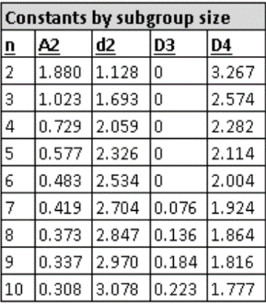
Cpu | 1.06
The red numbers above (and the Estimated Std Dev formula) correspond with the first row in the constants table. To create the chart for sample size of 3, add another data input column (labeled as "x3"), then change the above red numbers (and the Estimated Std Dev formula) with the second row of numbers in the constants table .
Cpl | 0.72
Cpk | 0.72

Averages chart

 |  |  |  |  |  |  | UCL = Grand Avg + 1.880 * Avg range

 |  |  |  |  |  |  | CL = Grand Avg
 |  |  |  |  |  |  | Subgroup averages

 |  |  |  |  |  |  | LCL = Grand Avg - 1.880 * Avg range

Ranges chart

 |  |  |  |  |  |  | UCL = 3.267 * Avg range

 |  |  |  |  |  |  | CL = Average Range
 |  |  |  |  |  |  | Subgroup ranges

 |  |  |  |  |  |  | LCL = 0 * Avg range

